Note
Abbreviate | Comment
AV45 | PET-CT中的一种，用来预测AD
FDG | PET-CT中的显像剂为18F标记的FDG（18F-FDG 氟化脱氧葡萄糖），是一种葡萄糖的类似物
NMR | 核磁，核磁ID用A+数字表示，其中有100-200个号有重复
PETCT | PET全称为正电子发射计算机断层显像(positron emission tomography PET)，是反映病变的基因、分子、代谢及功能状态的显像设备。PETCT的ID以AFM+位数字开头，后缀有AV和FDG两种。
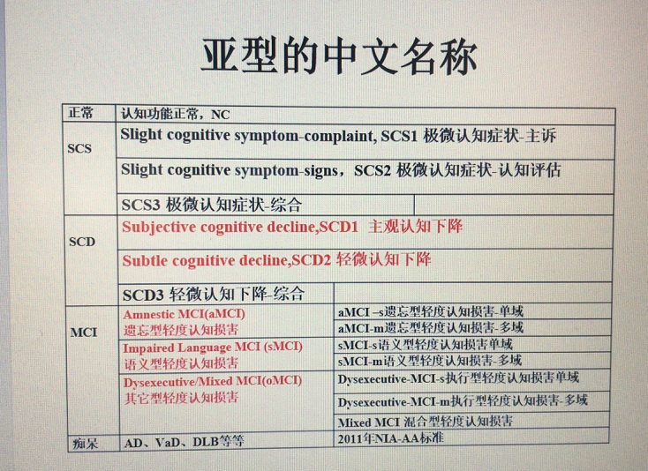
AD | 阿尔茨海默病
NC | 正常对照
MCI | 认知障碍
aMCI | Amnestic MCI 轻度认知障碍（遗忘型）
sMCI | Impaired Language MCI轻度认知障碍（语义型）
mMCI | Mixed MCI 混合型轻度认知障碍
VCI | 血管性认知障碍
SCD | 认知下降
SCD1 | Subjective cognitive decline, SCD1 主观认知下降
SCD2 | Subtle cognitive decline, SCD2 轻微认知下降
SCD3 | 轻微认知下降（综合型）
SCD1+SCD2 | 主观认知下降+轻微认知下降
SCS1 | Slight cognitive symptom-complaint, SCS1 轻微认知症状-主诉
SCS2 | Slight cognitive symptom-signs, SCS2 轻微认知症状-认知评估
SCS3 | 轻微认知症状（综合型）
SCS1+SCS2 | 轻微认知症状-主诉+轻微认知症状-认知评估
AD?FTD | 额颞叶痴呆，怀疑是AD
FTD? | 怀疑是额颞叶痴呆
Mood Disorder | 情绪障碍
DD | 抑郁症

 | Other
 | 核磁数据外部文件夹用日期命名，日期为拷贝核磁数据的日期
 | 诊断信息不全，需要提供需要诊断信息的名单给六院，让他们对应上诊断信息

